CASE PACKS
PHOTO | Style # | Style Name | Color | MSRP | 6.5 | 7 | 7.5 | 8 | 8.5 | 9 | 9.5 | 10 | 10.5 | 11 | 11.5 | 12 | 13 | Total QTY
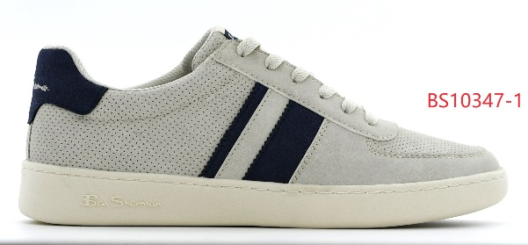 | BSMWEBRD-0966 | WEBBER | 0966 / LT GRY/WHISP/NVY | $90.00 |  |  |  |  |  | 125 | 818 | 918 |  | 8 |  | 715 |  | 2584
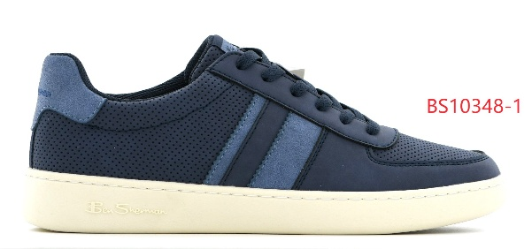 | BSMWEBRD-4628 | WEBBER | 4628 / NAVY/WHISP/LT BLUE | $90.00 |  |  |  |  | 606 | 812 | 712 | 712 | 612 | 812 |  | 609 | 406 | 5281
 |  |  |  |  |  |  |  |  |  |  |  |  |  |  |  |  |  | 7865

